Cover
Bunjil (SSC50213) 1927.7 sq Kms

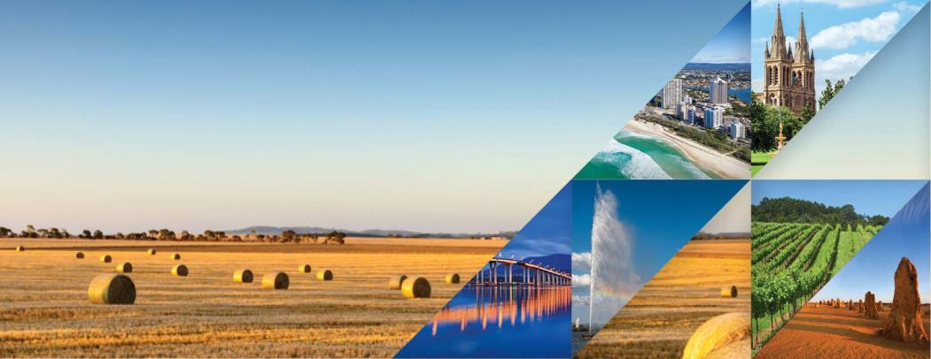

2016 Census of Population and Housing

General Community Profile

Catalogue number 2001.0

 | © Copyright 2017

