Cover
Woolloongabba (305011631) 2.4 sq Kms

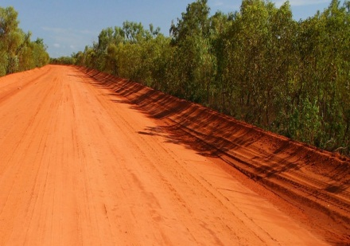

2011 Census of Population and Housing

Aboriginal and
Torres Strait Islander Peoples (Indigenous) Profile

Based on Place of Usual Residence
Catalogue number 2002.0

 | © Copyright 2012

